Print Page 1
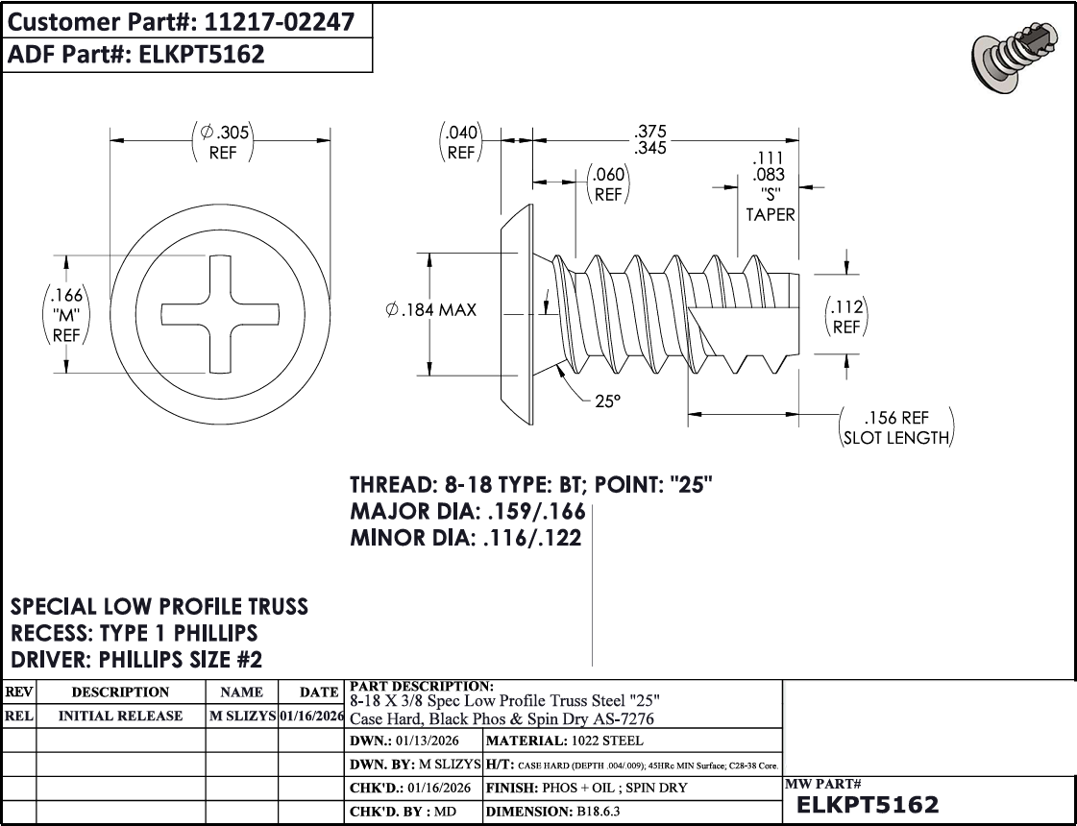

1
5
4

8

2
3
7

9

6

